Sheet1
 | Picture | Part Number | Part Name | Description | Finish | Type | FINAL QTY
 | 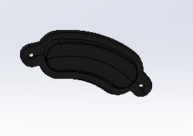 | 216DRI000 | Dride4K IR cover | IR LED transperent black window for internal cabin illumination | Translucent black Matt | Case plastic | 5
 | 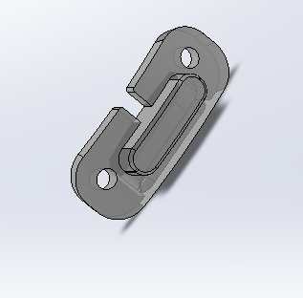 | 216DRI001 | Dride4K Light guide | Light guide for the status LED | Translucent Matt Milky White | Case plastic | 6
 | 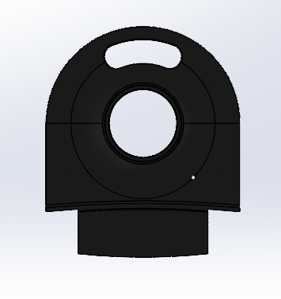 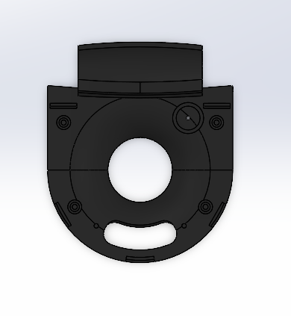 | 216DRI002 | Dride4K Internal camera shell | A cover for the senssors chassis when assembeling a camera with an internal camera | Matte black | Case plastic | 5
 | 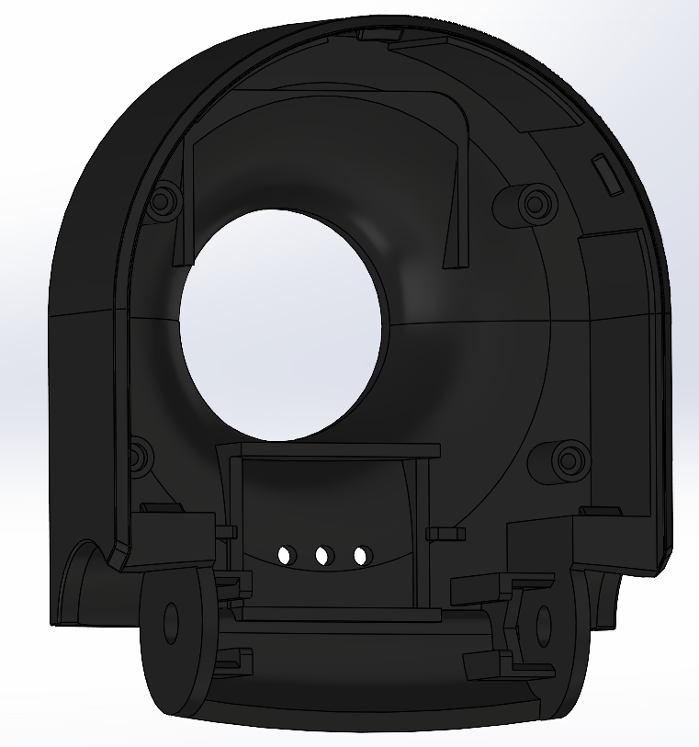 | 216DRI003 | Dride4K Camera Body |  | Matte black | Case plastic | 6
 | 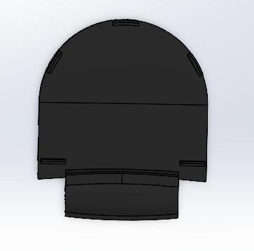 | 216DRI004 | Dride4K Internal camera cover | A cover for the senssors chassis when assembeling a camera without an internal camera | Matte black | Case plastic | 1
 |  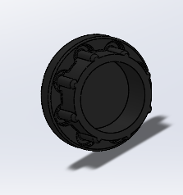 | 216DRI005 | Dride4K Screw cover | A cap to cover over the main chssis and the sensors chssis hinge | Matte black | Case plastic | 12
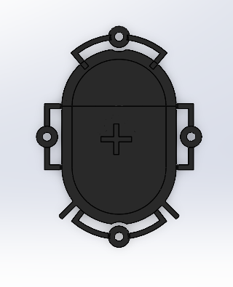 | 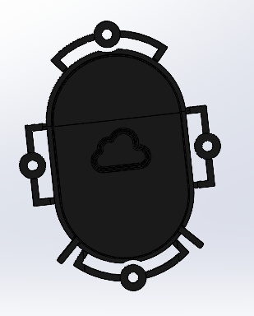 | 216DRI006 | Dride4K Button | Over for the share button assambled over the Bottom shell core cover | Matte black | Case plastic | 6
 | 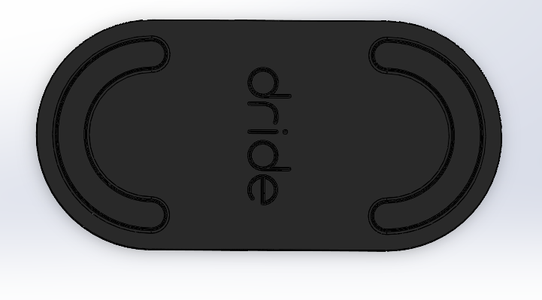 | 216DRI007 | Dride4K Braket | Mount on the car windshield | Matte black | Case plastic | 10
 |  | 216DRI008 | Dride4K Button shell | A cover that snaps over the Main chassis and covers over the core main PCB | Matte black | Case plastic | 6
 | 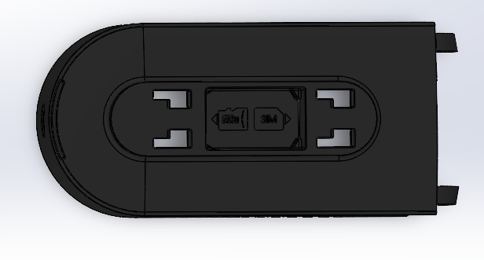 | 216DRI009 | Dride4K Main Body | A plastic shell that’s connect the Main Body to the Bracket. Contains a slot for SD card insertion and a slot for SIM card | Matte black | Case plastic | 5
 | 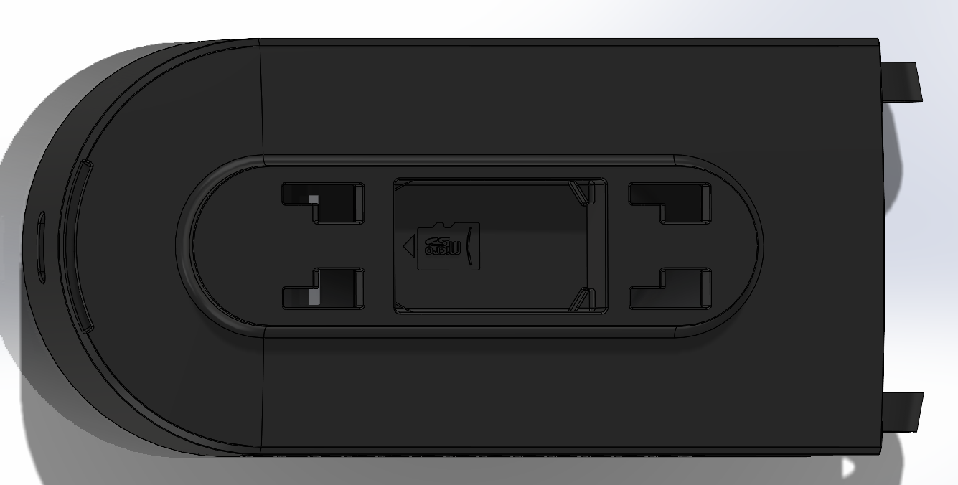 | 216DRI010 | Dride4K Main Body SIM less | A plastic shell that’s connect the Main Body to the Bracket. Contains a slot for SD card insertion .Witout a slot for sim | Matte black | Case plastic | 1

 | The pictures are only for indication not as instructions for the paint job or any other mechnical process
 | All peaces should be connected as described in the assembly instructions

